معلومات عامة
يتضمن هذا الملف بيانات تم جمعها من خلال استبيان تم توزيعه على عملاء متجر معين وذلك بهدف فهم المعلومات الشخصية للعملاء وسلوكياتهم التسويقية وتفضيلاتهم بشكل أفضل وبالتالي تقديم خدمة بشكل أفضل وتحسين العمل.
يوفر الاستبيان معلومات حول الخلفيات المتنوعة للعملاء من خلال جمع البيانات حول مختلف الجوانب مثل العمر والجنس ومستوى الدخل والتعليم والحالة الوظيفية وحجم الأسرة والحالة الاجتماعية.
بالإضافة إلى ذلك، يستكشف الاستبيان عادات التسوق، بما في ذلك تكرار الزيارات، متوسط الإنفاق، أوقات التسوق المفضلة، وطرق الدفع.
كما يقيم رضا العملاء عن المنتجات والخدمات وتخطيط المتجر وتجربة التسوق العامة.
علاوة على ذلك، يتعمق الاستبيان في تفاعل العملاء مع العروض والخصومات وبرامج الولاء وتفضيلات الاتصال.
ستساعد البيانات التي يتم جمعها المتجر في تعديل عروضه، وزيادة رضا العملاء، وتطوير استراتيجيات تسويقية فعالة.

This survey data includes information about customers to better understand their demographics, shopping behavior, and preferences.
By collecting data on various aspects such as age, gender, income level, education, employment status, household size, and marital status, the survey provides insights into the diverse backgrounds of the customers.
Additionally, the survey explores shopping habits, including frequency of visits, average spending, preferred shopping times, and payment methods.
It also evaluates customer satisfaction with products, services, store layout, and overall shopping experience.
Furthermore, the survey delves into customer engagement with promotions, discounts, loyalty programs, and communication preferences.
The collected data will help the retail store tailor its offerings, enhance customer satisfaction, and develop effective marketing strategies.

Scatter Plot
Income |  | Household_Size | Average_Spend | Average_Spend
9554.46 | -9554.46 | 3 | 596.66 | 596.66
5854.62 | -5854.62 | 2 | 568.42 | 568.42
3630.7 | -3630.7 | 5 | 477.09 | 477.09
9967.86 | -9967.86 | 1 | 597.31 | 597.31
2730.79 | -2730.79 | 6 | 474.31 | 474.31
6320.38 | -6320.38 | 4 | 520.47 | 520.47
1527.7 | -1527.7 | 6 | 300.79 | 300.79
5126.81 | -5126.81 | 4 | 617.06 | 617.06
1444.74 | -1444.74 | 1 | 184.05 | 184.05
2031.07 | -2031.07 | 3 | 420.49 | 420.49
3188.43 | -3188.43 | 4 | 386.96 | 386.96
6046.79 | -6046.79 | 4 | 521.55 | 521.55
7451.22 | -7451.22 | 1 | 496.61 | 496.61
2072.45 | -2072.45 | 5 | 252.09 | 252.09
8731.44 | -8731.44 | 3 | 754.23 | 754.23
7231.45 | -7231.45 | 4 | 573.89 | 573.89
7723.8 | -7723.8 | 2 | 480.13 | 480.13
1897.3 | -1897.3 | 6 | 462.14 | 462.14
3901.54 | -3901.54 | 6 | 303.97 | 303.97
6896.66 | -6896.66 | 3 | 709.09 | 709.09
5476.31 | -5476.31 | 2 | 424.42 | 424.42
3823.12 | -3823.12 | 3 | 526.32 | 526.32
2785.04 | -2785.04 | 3 | 276.47 | 276.47
1052.82 | -1052.82 | 1 | 133.53 | 133.53
2747.89 | -2747.89 | 5 | 360.08 | 360.08
8955.74 | -8955.74 | 6 | 719.6 | 719.6
8212.36 | -8212.36 | 4 | 695.16 | 695.16
7601.41 | -7601.41 | 4 | 687.81 | 687.81
1971.66 | -1971.66 | 5 | 245.48 | 245.48
1685.05 | -1685.05 | 3 | 156.45 | 156.45
9759.9 | -9759.9 | 2 | 851.62 | 851.62
4643.23 | -4643.23 | 4 | 284.56 | 284.56
4908.16 | -4908.16 | 6 | 607.46 | 607.46
2070.33 | -2070.33 | 5 | 283.68 | 283.68
6056.9 | -6056.9 | 2 | 384.73 | 384.73
3072.39 | -3072.39 | 3 | 185.61 | 185.61
2685.92 | -2685.92 | 3 | 368.76 | 368.76
7066.47 | -7066.47 | 6 | 704.38 | 704.38
3187.1 | -3187.1 | 1 | 343.62 | 343.62
8198.78 | -8198.78 | 6 | 595.6 | 595.6
1392.21 | -1392.21 | 3 | 282.53 | 282.53
8309.29 | -8309.29 | 2 | 679.7 | 679.7
4560.57 | -4560.57 | 3 | 302.63 | 302.63
7680.93 | -7680.93 | 3 | 552.17 | 552.17
6792.66 | -6792.66 | 1 | 519.43 | 519.43
4723.01 | -4723.01 | 6 | 426.76 | 426.76
6457.89 | -6457.89 | 2 | 583.01 | 583.01
504.42 | -504.42 | 2 | 195.54 | 195.54
2563.81 | -2563.81 | 2 | 233.28 | 233.28
7196.29 | -7196.29 | 4 | 563.55 | 563.55
2544.08 | -2544.08 | 6 | 365.69 | 365.69
8232.37 | -8232.37 | 1 | 617.84 | 617.84
3423.76 | -3423.76 | 5 | 219.03 | 219.03
7033.56 | -7033.56 | 5 | 608.06 | 608.06
9360.47 | -9360.47 | 3 | 738.02 | 738.02
1599.91 | -1599.91 | 6 | 429.74 | 429.74
1713.2 | -1713.2 | 3 | 269.44 | 269.44
6943.13 | -6943.13 | 6 | 556 | 556
4575.01 | -4575.01 | 5 | 347.11 | 347.11
8426.81 | -8426.81 | 1 | 696.8 | 696.8
9728.66 | -9728.66 | 4 | 638.31 | 638.31
1169.65 | -1169.65 | 2 | 196.47 | 196.47
4867.96 | -4867.96 | 5 | 391.58 | 391.58
7165.06 | -7165.06 | 6 | 664.31 | 664.31
1325.93 | -1325.93 | 4 | 281.64 | 281.64
9932.97 | -9932.97 | 6 | 824.99 | 824.99
2904.44 | -2904.44 | 5 | 220.95 | 220.95
970.62 | -970.62 | 1 | 94.67 | 94.67
7020.09 | -7020.09 | 2 | 511.87 | 511.87
7975.81 | -7975.81 | 3 | 586.26 | 586.26
3859.26 | -3859.26 | 1 | 268.31 | 268.31
3981.19 | -3981.19 | 1 | 332.04 | 332.04
3227.45 | -3227.45 | 3 | 310.57 | 310.57
1259.74 | -1259.74 | 2 | 316.53 | 316.53
3971.82 | -3971.82 | 4 | 460.25 | 460.25
2191.13 | -2191.13 | 5 | 344.93 | 344.93
5592.51 | -5592.51 | 3 | 508.16 | 508.16
5287.51 | -5287.51 | 4 | 555.47 | 555.47
9477.83 | -9477.83 | 5 | 615.99 | 615.99
3742.55 | -3742.55 | 3 | 417.8 | 417.8
4914.78 | -4914.78 | 1 | 406.99 | 406.99
1284.05 | -1284.05 | 6 | 267.55 | 267.55
8671.02 | -8671.02 | 5 | 766.09 | 766.09
4258.78 | -4258.78 | 2 | 425.52 | 425.52
7491.04 | -7491.04 | 4 | 637.48 | 637.48
2131.56 | -2131.56 | 2 | 447.19 | 447.19
4820.24 | -4820.24 | 1 | 416.87 | 416.87
7816.95 | -7816.95 | 5 | 701.92 | 701.92
1095.17 | -1095.17 | 6 | 421.06 | 421.06
8243.27 | -8243.27 | 2 | 534.92 | 534.92
3360.85 | -3360.85 | 5 | 549.29 | 549.29
3964.37 | -3964.37 | 6 | 382.89 | 382.89
3465.07 | -3465.07 | 1 | 301.81 | 301.81
855.01 | -855.01 | 1 | 263.24 | 263.24
5428.65 | -5428.65 | 6 | 640 | 640
6950.63 | -6950.63 | 2 | 473.74 | 473.74
9080.72 | -9080.72 | 6 | 715.91 | 715.91
742.5 | -742.5 | 4 | 176.43 | 176.43
9896.24 | -9896.24 | 2 | 616.83 | 616.83
3377.43 | -3377.43 | 1 | 290.08 | 290.08
9421.81 | -9421.81 | 1 | 612.76 | 612.76
7032.27 | -7032.27 | 1 | 619.98 | 619.98
4746.85 | -4746.85 | 4 | 472.49 | 472.49
8256.54 | -8256.54 | 1 | 673.35 | 673.35
875.24 | -875.24 | 3 | 194.07 | 194.07
7520.8 | -7520.8 | 2 | 513.92 | 513.92
3812.84 | -3812.84 | 1 | 418.39 | 418.39
8377.88 | -8377.88 | 1 | 544.38 | 544.38
5587.64 | -5587.64 | 5 | 610.27 | 610.27
3108.18 | -3108.18 | 5 | 473.06 | 473.06
8109.01 | -8109.01 | 4 | 759.16 | 759.16
1370.62 | -1370.62 | 6 | 446.11 | 446.11
8405.02 | -8405.02 | 4 | 627.22 | 627.22
3130.12 | -3130.12 | 4 | 275.74 | 275.74
7654.55 | -7654.55 | 5 | 540.45 | 540.45
9659.45 | -9659.45 | 4 | 616.26 | 616.26
1273.93 | -1273.93 | 1 | 242.73 | 242.73
8616.47 | -8616.47 | 3 | 597.97 | 597.97
8121.26 | -8121.26 | 5 | 684.3 | 684.3
4159.15 | -4159.15 | 4 | 458 | 458
3612.18 | -3612.18 | 2 | 193.23 | 193.23
2446.92 | -2446.92 | 6 | 317.09 | 317.09
5909.14 | -5909.14 | 1 | 328.06 | 328.06
8936.52 | -8936.52 | 4 | 576.86 | 576.86
5532.28 | -5532.28 | 1 | 441.53 | 441.53
6076.11 | -6076.11 | 3 | 406.6 | 406.6
6824.48 | -6824.48 | 1 | 444.66 | 444.66
5533.98 | -5533.98 | 3 | 582.76 | 582.76
5343.51 | -5343.51 | 3 | 602.67 | 602.67
653.52 | -653.52 | 2 | 228.21 | 228.21
953.24 | -953.24 | 3 | 267.6 | 267.6
9328.83 | -9328.83 | 6 | 844.01 | 844.01
7808.21 | -7808.21 | 4 | 625.54 | 625.54
2410.27 | -2410.27 | 2 | 265.74 | 265.74
6677.48 | -6677.48 | 1 | 624.36 | 624.36
6710.78 | -6710.78 | 5 | 550.31 | 550.31
4254.91 | -4254.91 | 3 | 479.08 | 479.08
8216.9 | -8216.9 | 4 | 749.28 | 749.28
5696.72 | -5696.72 | 5 | 338.84 | 338.84
8908.76 | -8908.76 | 6 | 808.77 | 808.77
5756.48 | -5756.48 | 5 | 482.8 | 482.8
9107.46 | -9107.46 | 6 | 727.06 | 727.06
6080.88 | -6080.88 | 4 | 450.07 | 450.07
4522.9 | -4522.9 | 6 | 413.21 | 413.21
9521.06 | -9521.06 | 1 | 594.77 | 594.77
7235.86 | -7235.86 | 1 | 500.77 | 500.77
4426.4 | -4426.4 | 4 | 367.63 | 367.63
674.46 | -674.46 | 6 | 313.69 | 313.69
5883.97 | -5883.97 | 3 | 444.43 | 444.43
5155.6 | -5155.6 | 5 | 530.33 | 530.33
8847.4 | -8847.4 | 2 | 572.31 | 572.31
8222.1 | -8222.1 | 1 | 591.95 | 591.95
8613.95 | -8613.95 | 4 | 657.25 | 657.25
3995.01 | -3995.01 | 4 | 411.17 | 411.17
8802.52 | -8802.52 | 6 | 635.54 | 635.54
1937.71 | -1937.71 | 4 | 376.53 | 376.53
3177.21 | -3177.21 | 3 | 460.48 | 460.48
6833.7 | -6833.7 | 2 | 425.33 | 425.33
9785.14 | -9785.14 | 2 | 771.09 | 771.09
6036.03 | -6036.03 | 3 | 412.79 | 412.79
5502.61 | -5502.61 | 5 | 492.33 | 492.33
1077.43 | -1077.43 | 6 | 233.15 | 233.15
9705.87 | -9705.87 | 4 | 622.35 | 622.35
1642.25 | -1642.25 | 3 | 199.51 | 199.51
1339.45 | -1339.45 | 3 | 385.09 | 385.09
8867.26 | -8867.26 | 1 | 688.7 | 688.7
5329.52 | -5329.52 | 5 | 381.29 | 381.29
3706.2 | -3706.2 | 5 | 426.13 | 426.13
8996.18 | -8996.18 | 1 | 512.87 | 512.87
803.73 | -803.73 | 1 | 167.91 | 167.91
2753.68 | -2753.68 | 1 | 370.03 | 370.03
7021.66 | -7021.66 | 5 | 585.84 | 585.84
2645.28 | -2645.28 | 5 | 496.01 | 496.01
3525.7 | -3525.7 | 4 | 542.11 | 542.11
2152.85 | -2152.85 | 2 | 278.25 | 278.25
8113.58 | -8113.58 | 6 | 770.83 | 770.83
1889.68 | -1889.68 | 2 | 225.31 | 225.31
8315.82 | -8315.82 | 4 | 817.45 | 817.45
3644.48 | -3644.48 | 2 | 462.12 | 462.12
4054.61 | -4054.61 | 6 | 510.6 | 510.6
6482.58 | -6482.58 | 1 | 606.01 | 606.01
1418.02 | -1418.02 | 3 | 184.05 | 184.05
708.94 | -708.94 | 5 | 360.75 | 360.75
9933.93 | -9933.93 | 3 | 790.94 | 790.94
6047.42 | -6047.42 | 1 | 548.27 | 548.27
7927.32 | -7927.32 | 2 | 658.13 | 658.13
8973.01 | -8973.01 | 4 | 765.94 | 765.94
7671.22 | -7671.22 | 4 | 575.58 | 575.58
9802.44 | -9802.44 | 1 | 717.81 | 717.81
919.4 | -919.4 | 5 | 391.11 | 391.11
9082.31 | -9082.31 | 1 | 709.32 | 709.32
8722.26 | -8722.26 | 4 | 739.3 | 739.3
7866.37 | -7866.37 | 3 | 562.08 | 562.08
4079.76 | -4079.76 | 4 | 446.61 | 446.61
900.03 | -900.03 | 5 | 340.06 | 340.06
3961.91 | -3961.91 | 5 | 542.12 | 542.12
3100.64 | -3100.64 | 6 | 436.62 | 436.62
8579.44 | -8579.44 | 4 | 676.98 | 676.98
3942.82 | -3942.82 | 3 | 308.14 | 308.14
3392.54 | -3392.54 | 3 | 345.93 | 345.93

Bar Plot
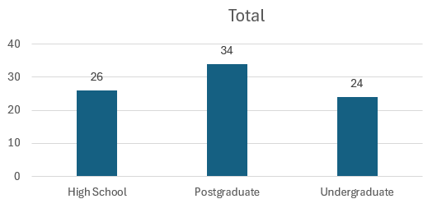
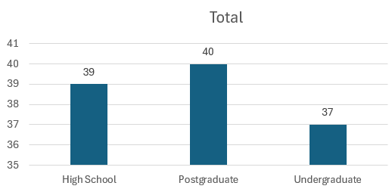
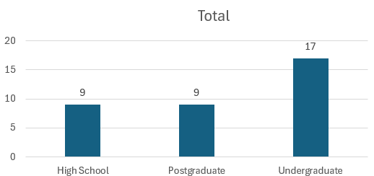
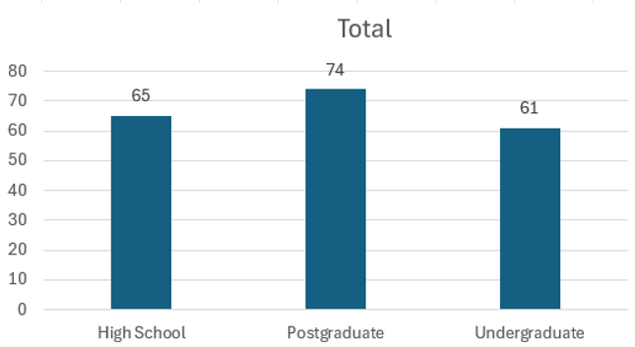
Employment_Status | Retired

Row Labels | Count of Education_Level
High School | 9
Postgraduate | 9
Undergraduate | 17
Grand Total | 35

